us_govt_2y
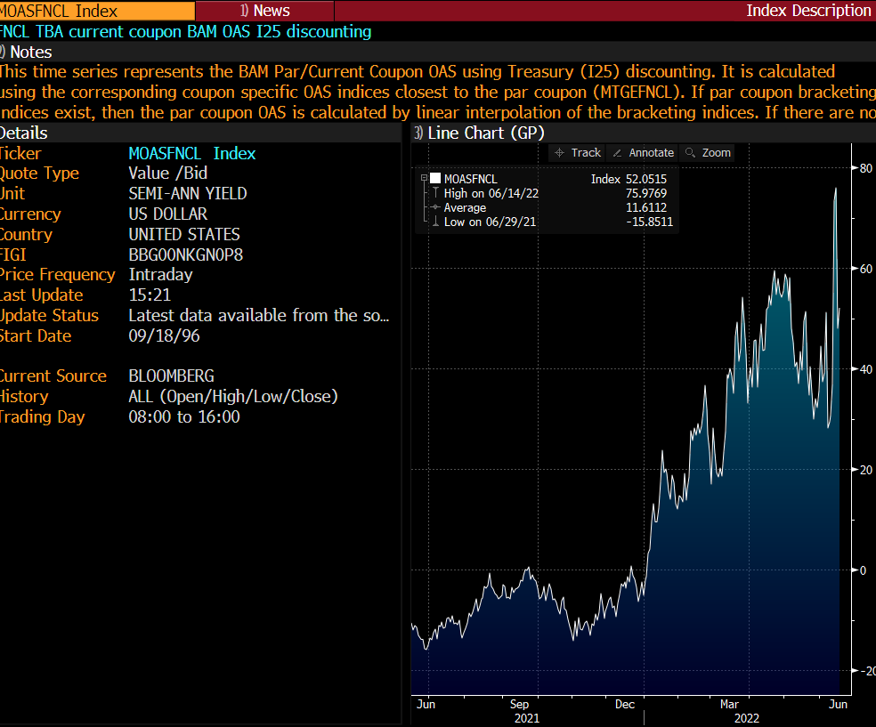
Fannie_current_coupon_spread_option_adj_(

